Master Schedule
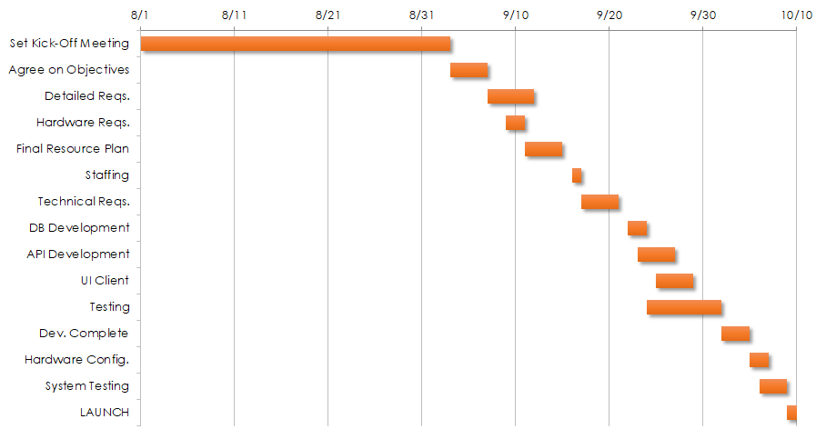
<Project Name>
PM |  | From Date |  | To Date
AM |  | Project Name |  | DU

 |  | Plan |  |  | Actual
Milestone | PIC | Start | End | Duration | Start | End | Duration | Progress | Status | Note
Phase 1 |  | 2021-08-01 | 2021-09-03 | 33 |  | 19/3/2021 |  | 100% | Done
Design System | VMO | 2021-09-03 | 2021-09-07 | 4 |  |  |  | 20% | Done
UAT | Customer | 2021-09-07 | 2021-09-12 | 5 |  |  |  |  | Done
Handover delivery | VMO & Customer | 2021-09-09 | 2021-09-11 | 2 |  |  |  |  | Done
Phase 2 |  | 2021-09-11 | 2021-09-15 | 4 |  |  |  |  | Over DueDate
Implment | VMO | 2021-09-16 | 2021-09-17 | 1 |  |  |  |  | Over DueDate
Integration | VMO | 2021-09-17 | 2021-09-21 | 4 |  |  |  |  | Over DueDate
UAT | Customer | 2021-09-22 | 2021-09-24 | 2 |  |  |  |  | Done
Go-live phase 2 | VMO & Customer | 2021-09-23 | 2021-09-27 | 4 |  |  |  |  | In-Progress
Handover delivery | VMO | 2021-09-25 | 2021-09-29 | 4 |  |  |  |  | In-Progress
Phase 3 |  | 2021-09-24 | 2021-10-02 | 8 |  |  |  |  | Not Started
Training | VMO | 2021-10-02 | 2021-10-05 | 3 |  |  |  |  | Not Started
Hardware Config. | VMO | 2021-10-05 | 2021-10-07 | 2 |  |  |  |  | Not Started
System Testing | Customer | 2021-10-06 | 2021-10-09 | 3 |  |  |  |  | Not Started
Go-live |  | 2021-10-09 | 2021-10-10 | 1

